Fine TuningAdapter Tuning
FINE TUNING

distilbert-base-uncased
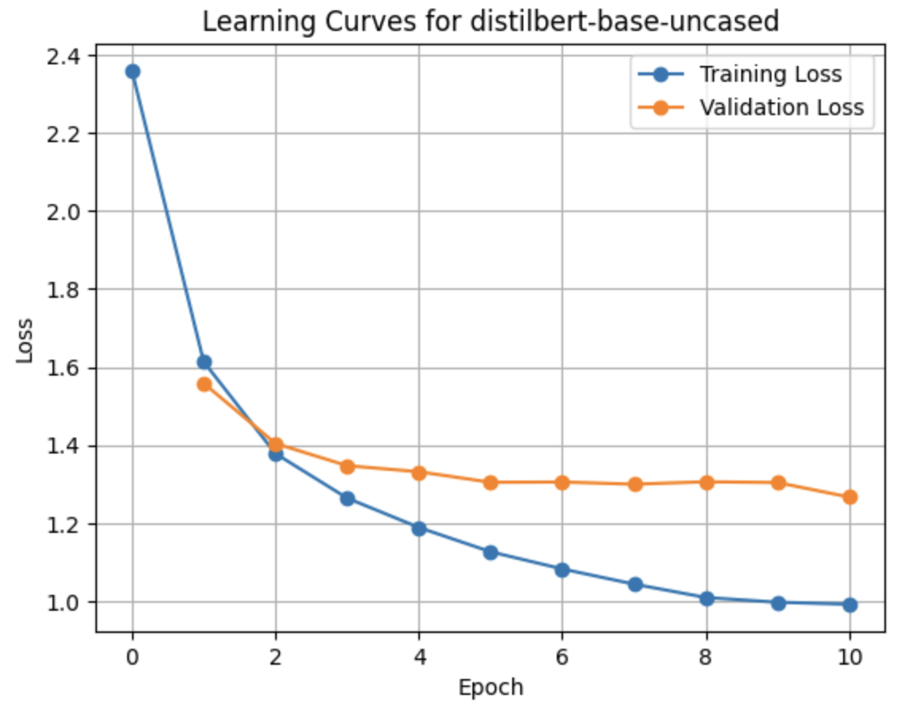
Epoch | Training Loss | Validation Loss | Accuracy
1 | 2.368898 | 1.548775 | 0.579371
2 | 1.611315 | 1.385814 | 0.612122
3 | 1.377886 | 1.325003 | 0.623874
4 | 1.262811 | 1.294795 | 0.629243
5 | 1.188776 | 1.284842 | 0.633538
6 | 1.127107 | 1.277751 | 0.636163
7 | 1.077426 | 1.275036 | 0.636342
8 | 1.046695 | 1.277458 | 0.639086
9 | 1.014432 | 1.276082 | 0.637654
10 | 0.992994 | 1.278009 | 0.638132

facebook/bart-base
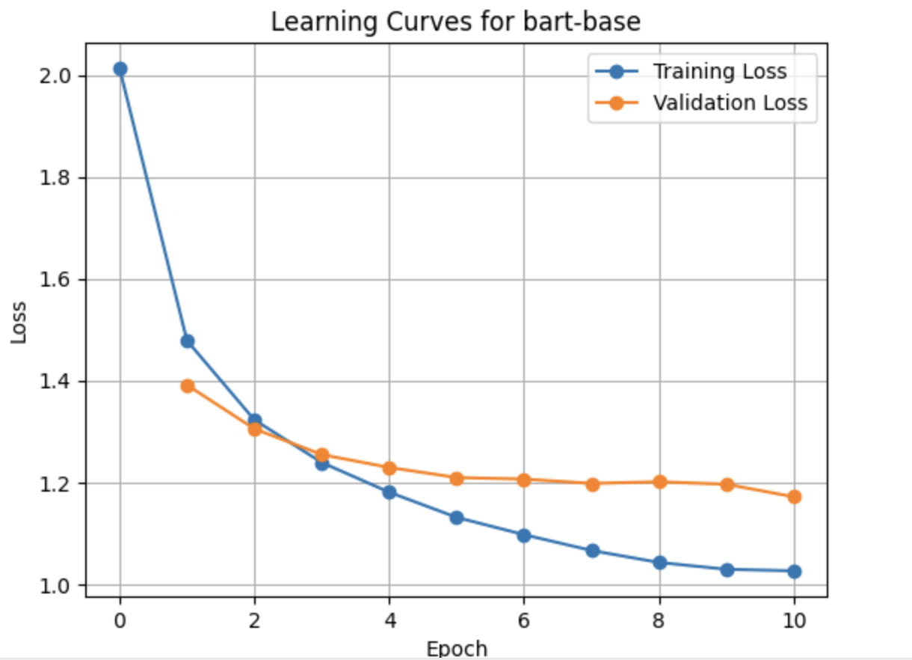
Epoch | Training Loss | Validation Loss | Accuracy
1 | 2.024663 | 1.390942 | 0.615105
2 | 1.476166 | 1.296463 | 0.631987
3 | 1.325908 | 1.258284 | 0.639504
4 | 1.235295 | 1.224477 | 0.644992
5 | 1.179914 | 1.213935 | 0.647796
6 | 1.134435 | 1.200651 | 0.65048
7 | 1.093636 | 1.199525 | 0.652807
8 | 1.070387 | 1.194973 | 0.655611
9 | 1.04563 | 1.195733 | 0.65394
10 | 1.02838 | 1.194571 | 0.655909

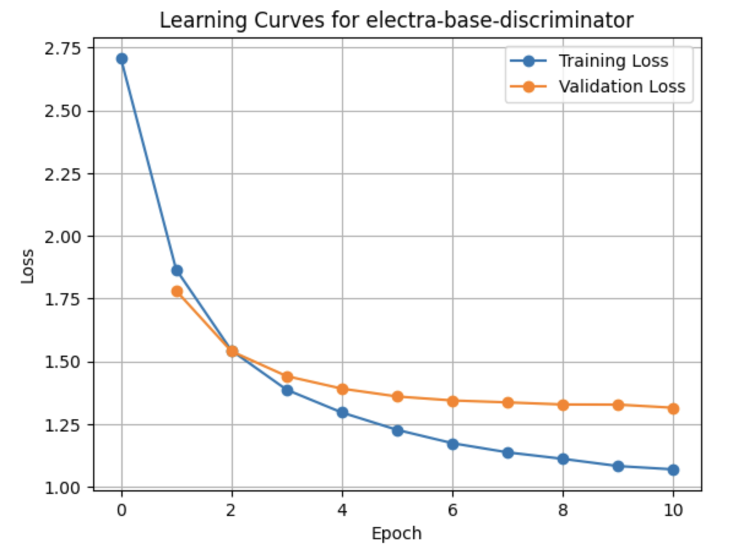
google/electra-base-discriminator

Epoch | Training Loss | Validation Loss | Accuracy | F1
1 | 1.645 | 1.791363 | 0.541609 | 0.465584
2 | 1.6424 | 1.539885 | 0.583607 | 0.536571
3 | 1.274 | 1.444434 | 0.606514 | 0.577219
4 | 1.1598 | 1.393515 | 0.612718 | 0.5981
5 | 1.3002 | 1.365784 | 0.620891 | 0.60567
6 | 1.6465 | 1.35346 | 0.62453 | 0.611249
7 | 2.2472 | 1.342789 | 0.628587 | 0.615638
8 | 0.6876 | 1.343162 | 0.631271 | 0.617875
9 | 1.2286 | 1.340153 | 0.632226 | 0.621325
10 | 1.7888 | 1.339463 | 0.63145 | 0.621179

google/electra-base-discriminator

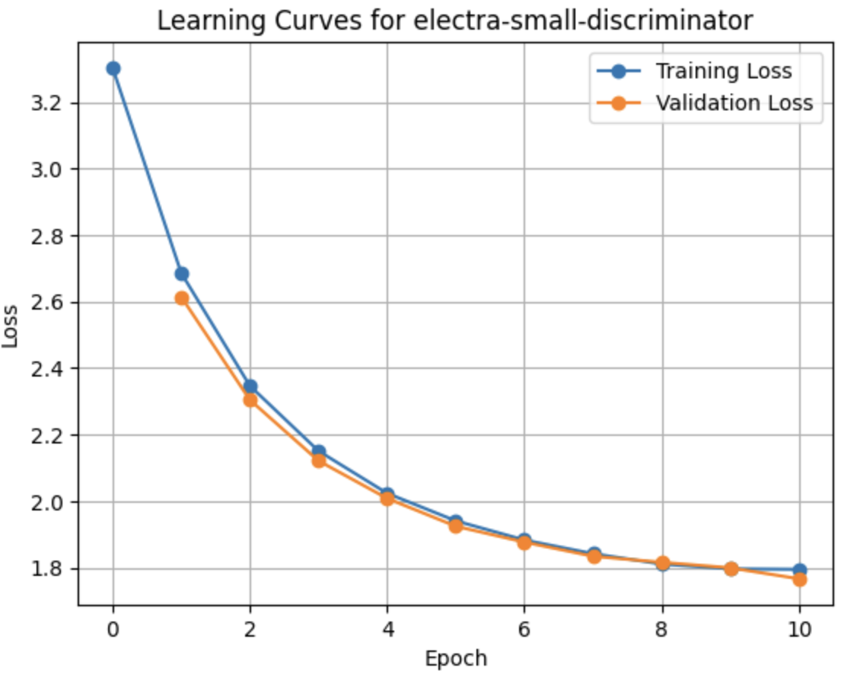
Epoch | Training Loss | Validation Loss | Accuracy
1 | 3.3122 | 2.618005 | 0.357633
2 | 2.6865 | 2.296919 | 0.425222
3 | 2.345 | 2.09795 | 0.469725
4 | 2.1469 | 1.980667 | 0.494721
5 | 2.0172 | 1.906923 | 0.512438
6 | 1.9357 | 1.848091 | 0.523355
7 | 1.8775 | 1.816996 | 0.528664
8 | 1.8389 | 1.793229 | 0.533019
9 | 1.8077 | 1.774655 | 0.535107
10 | 1.7939 | 1.770927 | 0.537553

Model | Eval Loss | Eval Accuracy | Eval Runtime (s) | Eval Samples/s | Eval Steps/s | Epoch | Training Time
distilbert-base-uncased | 1.2752 | 0.6357 | 39.2955 | 1066.433 | 16.669 | 10 | 1:16:16
facebook/bart-base | 1.1782 | 0.6588 | 228.6091 | 183.309 | 2.865 | 10 | 2:51:55
google/electra-base-discriminator | 1.3087 | 0.6391 | 74.6671 | 561.238 | 8.772 | 10 | 2:33:41
google/electra-small-discriminator | 1.7727 | 0.535 | 21.8864 | 1914.7 | 29.927 | 10 | 51:06:00

ADAPTER TUNING for google/electra-base-discriminator

google/electra-base-discriminator + mam_adapter
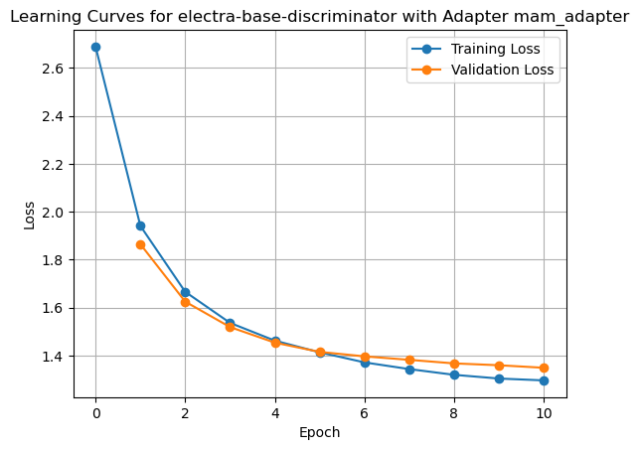
Epoch | Training Loss | Validation Loss | Accuracy | F1
1 | 3.143 | 1.874008 | 0.51554 | 0.428389
2 | 1.8405 | 1.624489 | 0.562012 | 0.502003
3 | 1.6403 | 1.537856 | 0.575374 | 0.543937
4 | 1.1449 | 1.466174 | 0.592257 | 0.562198
5 | 1.7583 | 1.433011 | 0.596612 | 0.579867
6 | 0.9323 | 1.39694 | 0.606932 | 0.584454
7 | 2.1208 | 1.386543 | 0.60902 | 0.592753
8 | 0.8567 | 1.367266 | 0.612838 | 0.595215
9 | 1.2378 | 1.35989 | 0.614747 | 0.597429
10 | 1.8692 | 1.354984 | 0.616775 | 0.600645

google/electra-base-discriminator + seq_bn_16_2_relu
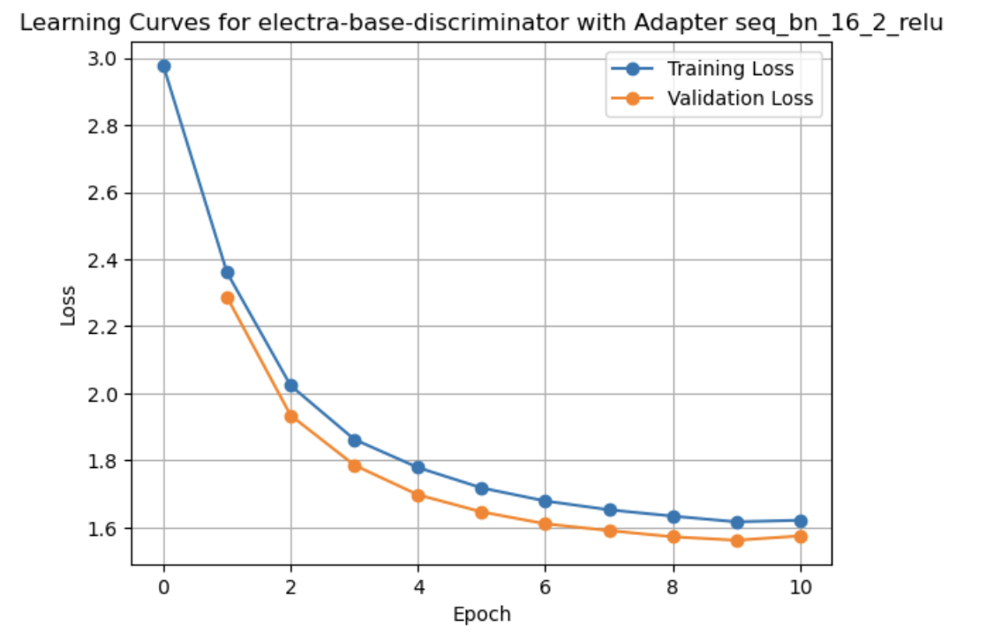
Epoch | Training Loss | Validation Loss | Accuracy | F1
1 | 2.0189 | 2.28726 | 0.415379 | 0.306327
2 | 2.3591 | 1.934192 | 0.494124 | 0.408014
3 | 0.9762 | 1.78574 | 0.520432 | 0.446381
4 | 1.9915 | 1.697258 | 0.536897 | 0.475671
5 | 1.7903 | 1.646188 | 0.549842 | 0.499237
6 | 1.7673 | 1.610654 | 0.559745 | 0.512845
7 | 1.3929 | 1.590448 | 0.564517 | 0.521461
8 | 2.3361 | 1.571954 | 0.566963 | 0.53046
9 | 1.1121 | 1.561563 | 0.568574 | 0.532444
10 | 0.6931 | 1.557195 | 0.569946 | 0.533883

Model | Adapter | Eval Loss | Eval Accuracy | Eval F1 Score | Eval Runtime (s) | Eval Samples/s | Eval Steps/s | Epoch | Training Time
google/electra-base-discriminator | None | 1.3247 | 0.6365 | 0.6246 | 89.2809 | 469.372 | 7.336 | 10 | 2:33:41
google/electra-base-discriminator | mam_adapter | 1.3496 | 0.6135 | 0.5962 | 87.0635 | 481.327 | 7.523 | 10 | 2:02:46
google/electra-base-discriminator | seq_bn_16_2_relu | 1.5746 | 0.5667 | 0.5319 | 83.7581 | 500.322 | 7.82 | 10 | 1:55:44

